Sheet1
Time | Main Topic | Sub Topics | Source File
9am-10am | Angular7 | Tutorial | https://in.video.search.yahoo.com/yhs/search?fr=yhs-trp-001&hsimp=yhs-001&hspart=trp&p=typescript+tutorial#id=2&vid=862c4d5bebe0503f54d7c7517d28dfc9&action=view
10am-11am |  | Introduction | https://www.tutorialspoint.com/angular7/angular7_data_binding.htm
11am-12pm |  | Features | https://www.javatpoint.com/angular-7-files-explanation
12pm-1pm |  | Installation
1pm-2pm |  | History & Versions
2pm-3pm |  | First App
3pm-4pm |  | Files Explanation
4pm-5pm |  | with Bootstrap
5pm-6pm |  | All CLI commands

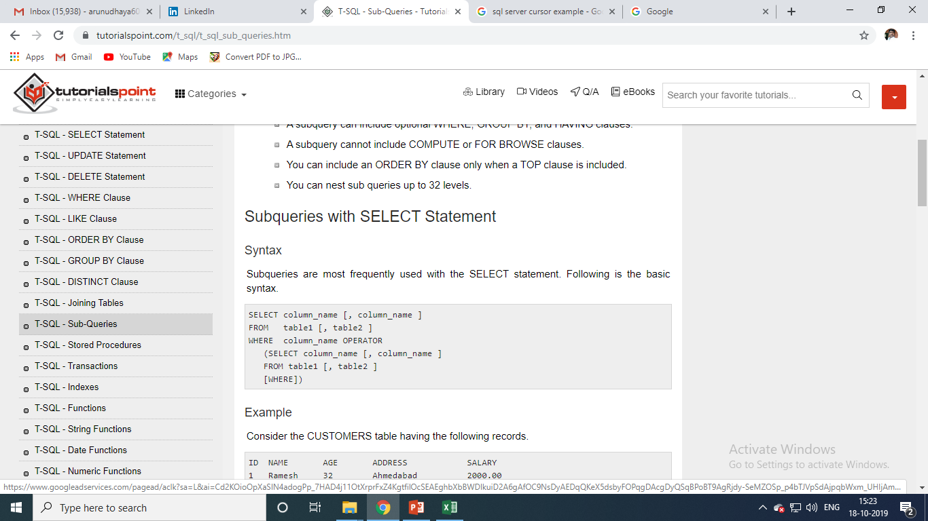
 |  |  |  | import { Component } from '@angular/core';

 |  |  |  | @Component({
 |  |  |  | selector: 'app-root',
 |  |  |  | templateUrl: './app.component.html',
 |  |  |  | styleUrls: ['./app.component.css']
 |  |  |  | })
 |  |  |  | export class AppComponent {
 |  |  |  | title = 'Angular 7';

 |  |  |  | // declared array of months.
 |  |  |  | months = ["January", "February", "March", "April", "May", "June", "July",
 |  |  |  | "August", "September", "October", "November", "December"];

 |  |  |  | isavailable = true; //variable is set to true
 |  |  |  | }

